Data
Lewis Liberty Gym

Directions: Use the formulas learned in class to complete the step by step.
1 Format the data that is presented into a table.
2 How many minutes did Shanice use the Treadmill in May 2022? *Use a wildcard*
3 How many times did Shanice use the Elliptical in the month of May?
4 Create a pivot table on a new worksheet which is based on all the cells that have been inserted into the new Excel table.
5 Name the Sheet with the new pivot table, "Table"
6 Use the pivot table to display the total amount of time Shanice spent on each machine for the month of May.
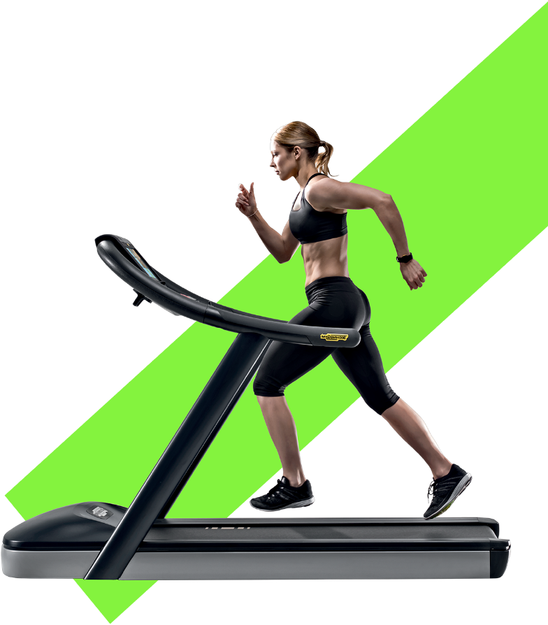
Date | Machine | Time
2022-05-01 | Treadmill | 10
2022-05-02 | Elliptical | 15
2022-05-03 | Treadmill | 20
2022-05-03 | Treadmill | 25
2022-05-04 | Elliptical | 30
2022-05-04 | Stair Master | 30
2022-05-05 | Elliptical | 30
2022-05-07 | Elliptical | 25
2022-05-07 | Elliptical | 30
2022-05-07 | Stair Master | 30
2022-05-08 | Elliptical | 30
2022-05-08 | Elliptical | 30
2022-05-08 | Elliptical | 30
2022-05-08 | Stair Master | 30
2022-05-08 | Stair Master | 30
2022-05-09 | Elliptical | 30
2022-05-09 | Treadmill | 30
2022-05-09 | Stair Master | 30
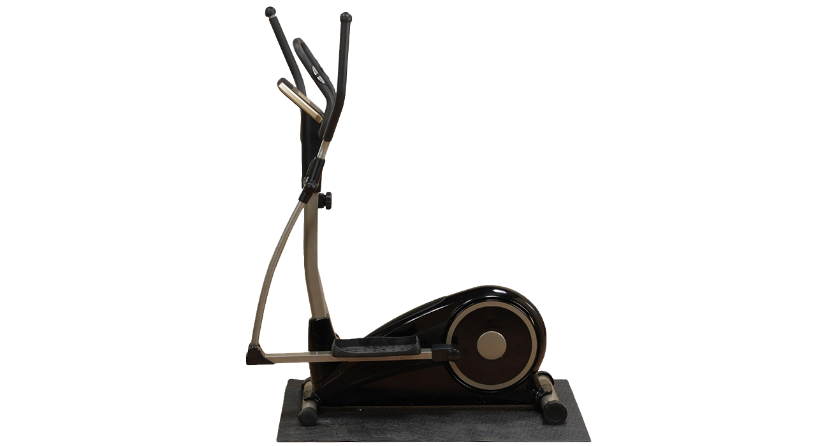
2022-05-10 | Elliptical | 30
2022-05-10 | Stair Master | 30
2022-05-11 | Treadmill | 30 | 2 | 515
2022-05-11 | Treadmill | 30 | 3 | 17
2022-05-12 | Treadmill | 30
2022-05-13 | Treadmill | 10
2022-05-13 | Stair Master | 15
2022-05-14 | Treadmill | 20
This Photo by Unknown Author is licensed under CC BY-NC
2022-05-14 | Elliptical | 25
2022-05-14 | Stair Master | 30
2022-05-14 | Elliptical | 30
2022-05-15 | Elliptical | 10
2022-05-15 | Treadmill | 15
2022-05-16 | Treadmill | 20
2022-05-17 | Treadmill | 25
2022-05-17 | Elliptical | 30
This Photo by Unknown Author is licensed under CC BY-NC
2022-05-18 | Stair Master | 30
2022-05-18 | Treadmill | 10
2022-05-19 | Treadmill | 15
2022-05-20 | Treadmill | 20
2022-05-21 | Stair Master | 25
2022-05-22 | Stair Master | 30
2022-05-23 | Treadmill | 30
2022-05-24 | Treadmill | 10
2022-05-25 | Treadmill | 15
2022-05-26 | Treadmill | 20
2022-05-26 | Treadmill | 25
2022-05-27 | Elliptical | 30
2022-05-27 | Elliptical | 30
2022-05-27 | Elliptical | 10
2022-05-28 | Treadmill | 15
2022-05-28 | Stair Master | 20
2022-05-29 | Stair Master | 25
2022-05-29 | Treadmill | 30
2022-05-30 | Treadmill | 30
2022-05-30 | Treadmill | 15
2022-05-31 | Stair Master | 15
2022-05-31 | Treadmill | 15

